Summary 2020-21
Queen Scout Working Party
Income & Expenditure Account 06/04/2020 - 05/04/2021
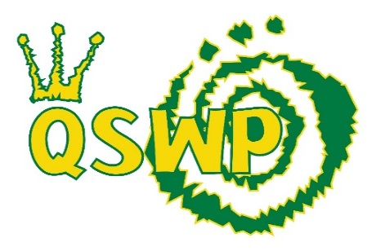
Income | Amount
Membership | £288.53
Donations | £0.00
Interest | £0.27
Socials | £16.00
Other | £0.26
Shop | £69.31
Weekends Away | £100.00
Total | £474.37

Expenditure | Amount
Postage & Stationary | £31.59
Website Hosting | £85.63
Socials | £30.99
Committee Expenses | £56.57
Merchandising | £0.00
Other | £0.00
Weekends Away | £135.00
Total | £339.78

Balance Brought Forward (06/04/2020) | £1,825.96
Add Income | £474.37
Subtract Expenditure | £339.78
Balance Carried Forward (05/04/2021) | £1,960.55

Surplus/Deficit for Year | £134.59

Error | £0.00

Budget 2021-22
Queen Scout Working Party
Budget 2020/21


 | 20/21

Start of Year | 1,960.55

Membership | 850.00
Shop Sales | 200.00

Postage & Stationery | -100.00
Website Hosting | -250.00
Social Fund £1 per member at end of year | -189.00
Committee Meeting Expenses | -150.00
Merchandising | -400.00

End of Year | 1,921.55

Contingency Fund of £1000 maintained

